Monthly payments | installments
Purchase price
Payment installments | AVG purchase | Median purchase
1 | 95.87 | 67.87
2 | 127.23 | 109.42
3 | 142.54 | 110.42
4 | 163.98 | 117.18
5 | 183.47 | 125.97
6 | 209.85 | 138.55
7 | 187.67 | 140.08
8 | 307.74 | 212.70
9 | 203.44 | 99.92
10 | 415.09 | 239.74
11 | 124.93 | 116.51
12 | 321.68 | 198.41
13 | 150.46 | 136.20
14 | 167.96 | 147.07
15 | 445.55 | 255.85
16 | 292.69 | 167.37
17 | 174.60 | 175.10
18 | 486.48 | 335.89
20 | 615.80 | 458.31
21 | 243.70 | 216.05
22 | 228.71 | 228.71
23 | 236.48 | 236.48
24 | 610.05 | 593.88

Average monthly payment from installments

Monthly payment ammount
Payment installments | Customers | Average payment | Median payment
1 | 25455 | 95.87 | 67.87
2 | 12413 | 63.61 | 54.71
3 | 10461 | 47.51 | 36.81
4 | 7098 | 40.99 | 29.29
5 | 5239 | 36.69 | 25.19
6 | 3920 | 34.97 | 23.09
7 | 1626 | 26.81 | 20.01
8 | 4268 | 38.47 | 26.59
9 | 644 | 22.60 | 11.10
10 | 5328 | 41.51 | 23.97
11 | 23 | 11.36 | 10.59
12 | 133 | 26.81 | 16.53
13 | 16 | 11.57 | 10.48
14 | 15 | 12.00 | 10.50
15 | 74 | 29.70 | 17.06
16 | 5 | 18.29 | 10.46
17 | 8 | 10.27 | 10.30
18 | 27 | 27.03 | 18.66
20 | 17 | 30.79 | 22.92
21 | 3 | 11.60 | 10.29
22 | 1 | 10.40 | 10.40
23 | 1 | 10.28 | 10.28
24 | 18 | 25.42 | 24.75

Seller city analysis
Average revenue by cities |  |  |  |  |  | Median revenue by cities

 |  |  | Low top 10 |  |  | Top 10 revenue producers |  |  | Top 10 worst revenue producers
seller_state | seller_city | average_value | seller_state | seller_city | average_value | seller_state | seller_city | median_revenue | seller_state | seller_city | median_revenue
SP | bofete | 3259.82 | SP | brotas | 15.76 | SP | bofete | 3126.50 | SP | brotas | 14.15
SP | londrina | 1556.70 | SP | macatuba | 25.69 | SP | londrina | 1556.70 | SP | jacarei / sao paulo | 22.39
PR | california | 1415.44 | SC | floranopolis | 26.31 | PR | paincandu | 1507.80 | SP | garulhos | 25.38
PR | paincandu | 1307.59 | PR | palotina | 28.22 | PR | california | 1343.32 | SP | macatuba | 25.69
MG | montes claros | 969.82 | SP | jacarei / sao paulo | 28.59 | SC | sombrio | 1046.56 | SC | floranopolis | 26.31
PB | mamanguape | 953.79 | SP | aparecida | 31.96 | PE | vitoria de santo antao | 955.79 | SP | aparecida | 28.04
PR | sao jose dos pinhais | 941.40 | PR | andira-pr | 32.50 | PR | sao jose dos pinhais | 941.40 | PR | palotina | 28.22
SC | luiz alves | 898.36 | SP | garulhos | 33.63 | PB | mamanguape | 874.42 | PR | pato branco | 30.00
BA | guanambi | 851.51 | MG | oliveira | 34.10 | MG | vicosa | 812.42 | PR | andira-pr | 32.00
SC | sombrio | 782.60 | SP | embu guacu | 34.63 | SC | luiz alves | 770.72 | PR | marechal candido rondon | 32.13
PE | vitoria de santo antao | 780.59 | SP | pinhalzinho | 34.64 | MG | andradas | 760.01 | RJ | saquarema | 32.96
RS | ivoti | 737.38 | SP | varzea paulista | 35.46 | RS | ivoti | 737.38 | SP | alvares machado | 33.09
SC | lages - sc | 732.53 | SP | barrinha | 35.59 | SC | sao francisco do sul | 727.22 | MG | itabira | 33.69
SC | sao francisco do sul | 727.22 | RJ | saquarema | 36.44 | SC | lages - sc | 697.88 | SP | varzea paulista | 33.71
RJ | nova friburgo | 725.03 | PR | cascavael | 37.09 | SP | embu das artes | 660.48 | SP | embu guacu | 34.00
SP | serrana | 708.83 | SP | alvares machado | 37.80 | RS | campo bom | 658.61 | MG | oliveira | 34.10
SP | sao paluo | 678.10 | SP | jarinu | 38.37 | SP | serrana | 630.25 | SP | pinhalzinho | 34.64
SC | bombinhas | 673.27 | RJ | itaborai | 39.04 | RJ | macae | 626.68 | SP | francisco morato | 34.78
SP | embu das artes | 660.47 | SP | dracena | 39.12 | BA | guanambi | 610.92 | SP | barrinha | 35.59
RO | porto velho | 642.31 | SP | fernando prestes | 41.76 | PR | entre rios do oeste | 600.75 | SP | taboao da serra | 35.68
MG | vicosa | 626.83 | RJ | resende | 42.05 | SP | sao paluo | 599.00 | SP | santo andre/sao paulo | 36.26
RJ | macae | 622.85 | SP | são paulo | 42.13 | SC | bombinhas | 555.32 | SP | dracena | 36.35
RJ | rio bonito | 604.42 | SP | tambau | 42.49 | MG | dores de campos | 522.20 | SP | cordeiropolis | 36.81
RJ | teresopolis | 590.28 | RS | condor | 43.13 | PR | mandaguari | 506.85 | PR | cascavael | 37.09
BA | lauro de freitas | 582.58 | RS | pelotas | 43.71 | RO | porto velho | 505.83 | RJ | itaborai | 37.93
MG | andradas | 574.03 | PR | pato branco | 43.78 | CE | fortaleza | 474.43 | SP | bertioga | 38.14
RS | campo bom | 534.58 | SC | itapema | 43.85 | SC | paulo lopes | 471.03 | SP | jarinu | 38.37
PR | entre rios do oeste | 526.89 | SP | alambari | 43.95 | SP | itajobi | 463.54 | SP | vicente de carvalho | 40.76
MG | dores de campos | 522.19 | RN | rio de janeiro | 44.28 | MG | cataguases | 459.63 | RJ | resende | 42.05
SP | laranjeiras do sul | 515.61 | SP | florianopolis | 44.82 | SP | sao paulo sp | 451.28 | SP | são paulo | 42.13

 |  |  |  |  |  | 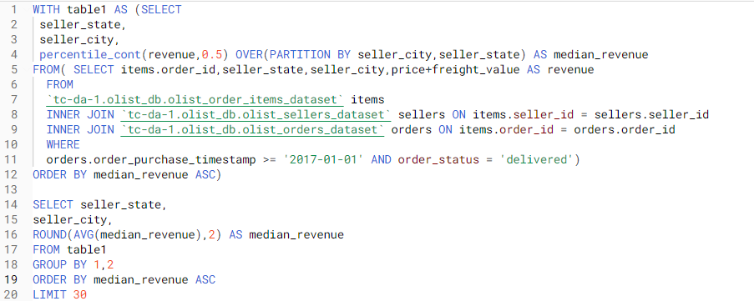 Code:
Code:

Shipping time + reviews
CATEGORY

 |  | - | Estimated shipping time needs to be reduced
In which state each item is more popular ==> Where the items should be allocated to for faster shipping. Maybe those who have shipping problem.
Average shipping time for each category |  |  |  |  |  |  |  |  |  |  |  |  |  | Code for table the most to the left
Product category | Days to deliver | Estimated days to deliver |  |  |  | Product category | Late deliveries | Deliveries | Average review | % late deliveries in category | % of all late deliveries | % late deliveries / total deliveries
office_furniture | 20.39 | 31.62 |  |  |  | bed bath table | 931 | 11270 | 3.89566 | 8.26% | 10.88% | 0.8336%
christmas_supplies | 15.30 | 26.53 | Prepare in advance |  |  | health beauty | 854 | 9727 | 4.14277 | 8.78% | 9.98% | 0.7647%
security_and_services | 15.00 | 31.00 |  |  |  | furniture decor | 690 | 8415 | 3.90349 | 8.20% | 8.07% | 0.6178%
fashion_shoes | 14.93 | 29.24 |  |  |  | sports leisure | 623 | 8700 | 4.10799 | 7.16% | 7.28% | 0.5579%
home_comfort_2 | 14.07 | 21.97 |  |  |  | computers accessories | 595 | 7894 | 3.93082 | 7.54% | 6.96% | 0.5328%
furniture_mattress_and_upholstery | 13.89 | 20.55 |  |  |  | watches gifts | 481 | 6001 | 4.01916 | 8.02% | 5.62% | 0.4307%
home_appliances_2 | 13.42 | 25.39 |  |  |  | housewares | 435 | 6989 | 4.05502 | 6.22% | 5.09% | 0.3895%
furniture_living_room | 13.29 | 24.70 |  |  |  | telephony | 366 | 4550 | 3.94687 | 8.04% | 4.28% | 0.3277%
fashion_underwear_beach | 13.28 | 23.43 | Prep in advance |  |  | auto | 344 | 4256 | 4.06551 | 8.08% | 4.02% | 0.3080%
garden_tools | 13.23 | 24.63 |  |  |  | garden tools | 339 | 4361 | 4.04274 | 7.77% | 3.96% | 0.3036%
consoles_games | 13.14 | 24.24 |  |  |  | toys | 301 | 4125 | 4.15864 | 7.30% | 3.52% | 0.2695%
computers | 13.05 | 24.17 |  |  |  | electronics | 266 | 2768 | 4.03747 | 9.61% | 3.11% | 0.2382%
home_confort | 13.04 | 22.23 |  |  |  | baby | 260 | 3073 | 4.01181 | 8.46% | 3.04% | 0.2328%
audio | 12.88 | 22.40 |  |  |  | cool stuff | 250 | 3806 | 4.14634 | 6.57% | 2.92% | 0.2239%
computers_accessories | 12.78 | 24.60 |  |  |  | perfumery | 245 | 3435 | 4.16194 | 7.13% | 2.86% | 0.2194% |  | Code for table to the right
home_construction | 12.76 | 23.69 |  |  |  | stationery | 198 | 2525 | 4.19386 | 7.84% | 2.31% | 0.1773% | 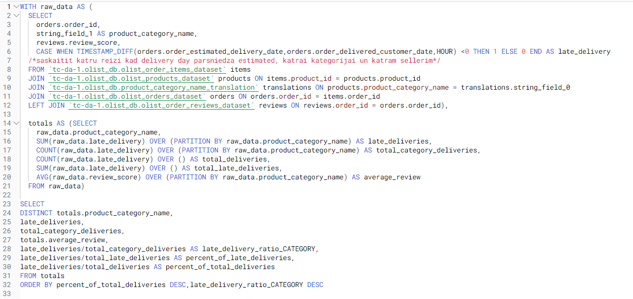
furniture_bedroom | 12.76 | 26.45 |  |  |  | office furniture | 148 | 1701 | 3.49318 | 8.70% | 1.73% | 0.1325%
tablets_printing_image | 12.58 | 24.73 |  |  |  | fashion bags accessories | 125 | 2050 | 4.14468 | 6.10% | 1.46% | 0.1119%
dvds_blu_ray | 12.51 | 25.11 |  |  |  | pet shop | 117 | 1949 | 4.18515 | 6.00% | 1.37% | 0.1048%
musical_instruments | 12.50 | 23.30 |  |  |  | consoles games | 81 | 1138 | 4.02307 | 7.12% | 0.95% | 0.0725%
fashion_male_clothing | 12.47 | 24.53 |  |  |  | construction tools construction | 74 | 931 | 4.05292 | 7.95% | 0.87% | 0.0663%
electronics | 12.42 | 22.95 |  |  |  | luggage accessories | 58 | 1092 | 4.31526 | 5.31% | 0.68% | 0.0519%
furniture_decor | 12.40 | 24.27 |  |  |  | musical instruments | 56 | 681 | 4.15259 | 8.22% | 0.65% | 0.0501%
telephony | 12.38 | 23.22 |  |  |  | home appliances | 52 | 809 | 4.17246 | 6.43% | 0.61% | 0.0466%
bed_bath_table | 12.34 | 23.44 |  |  |  | home construction | 49 | 605 | 3.94000 | 8.10% | 0.57% | 0.0439%
stationery | 12.28 | 23.73 |  |  |  | food | 48 | 510 | 4.21818 | 9.41% | 0.56% | 0.0430%
fixed_telephony | 12.24 | 26.18 |  |  |  | audio | 45 | 365 | 3.82548 | 12.33% | 0.53% | 0.0403%
watches_gifts | 12.19 | 23.55 |  |  |  | home confort | 44 | 437 | 3.82989 | 10.07% | 0.51% | 0.0394%
baby | 12.06 | 23.13 |  |  |  | furniture living room | 40 | 507 | 3.90438 | 7.89% | 0.47% | 0.0358%
cool_stuff | 11.90 | 23.87 |  |  |  | small appliances | 39 | 683 | 4.14919 | 5.71% | 0.46% | 0.0349%
air_conditioning | 11.79 | 25.49 |  |  |  | books general interest | 35 | 553 | 4.44627 | 6.33% | 0.41% | 0.0313%
auto | 11.77 | 22.64 |  |  |  | construction tools lights | 30 | 305 | 4.05405 | 9.84% | 0.35% | 0.0269%
sports_leisure | 11.69 | 23.14 |  |  |  | books technical | 28 | 269 | 4.36842 | 10.41% | 0.33% | 0.0251%
market_place | 11.68 | 26.14 |  |  |  | drinks | 20 | 383 | 4.04775 | 5.22% | 0.23% | 0.0179%
costruction_tools_tools | 11.63 | 23.27 |  |  |  | industry commerce and business | 19 | 269 | 4.10150 | 7.06% | 0.22% | 0.0170%
health_beauty | 11.52 | 22.90 |  |  |  | christmas supplies | 18 | 153 | 4.02055 | 11.76% | 0.21% | 0.0161%
fashio_female_clothing | 11.49 | 22.23 |  |  |  | costruction tools garden | 17 | 240 | 4.05417 | 7.08% | 0.20% | 0.0152%
kitchen_dining_laundry_garden_furniture | 11.45 | 23.07 |  |  |  | food drink | 17 | 280 | 4.31541 | 6.07% | 0.20% | 0.0152%
costruction_tools_garden | 11.43 | 24.40 |  |  |  | fashion underwear beach | 16 | 131 | 3.97692 | 12.21% | 0.19% | 0.0143%
construction_tools_safety | 11.43 | 23.22 |  |  |  | home appliances 2 | 16 | 240 | 4.14286 | 6.67% | 0.19% | 0.0143%
fashion_sport | 11.38 | 23.27 |  |  |  | art | 15 | 209 | 3.93720 | 7.18% | 0.18% | 0.0134%
perfumery | 11.28 | 23.19 |  |  |  | fashion shoes | 14 | 265 | 4.23372 | 5.28% | 0.16% | 0.0125%
toys | 11.23 | 22.75 |  |  |  | computers | 13 | 203 | 4.17500 | 6.40% | 0.15% | 0.0116%
agro_industry_and_commerce | 11.22 | 22.09 |  |  |  | market place | 13 | 311 | 4.01942 | 4.18% | 0.15% | 0.0116%
books_general_interest | 11.17 | 22.76 |  |  |  | kitchen dining laundry garden furniture | 12 | 282 | 3.96429 | 4.26% | 0.14% | 0.0107%
music | 11.16 | 24.89 |  |  |  | fixed telephony | 11 | 265 | 3.68321 | 4.15% | 0.13% | 0.0098%
art | 10.87 | 23.10 |  |  |  | air conditioning | 11 | 297 | 3.96918 | 3.70% | 0.13% | 0.0098%
home_appliances | 10.87 | 22.84 |  |  |  | construction tools safety | 10 | 194 | 3.84456 | 5.15% | 0.12% | 0.0090%
pet_shop | 10.76 | 22.70 |  |  |  | signaling and security | 9 | 199 | 4.08629 | 4.52% | 0.11% | 0.0081%
flowers | 10.70 | 22.45 |  |  |  | agro industry and commerce | 9 | 212 | 4.00000 | 4.25% | 0.11% | 0.0081%
fashion_bags_accessories | 10.62 | 23.38 |  |  |  | furniture bedroom | 8 | 110 | 4.11818 | 7.27% | 0.09% | 0.0072%
housewares | 10.46 | 22.22 |  |  |  | fashion male clothing | 7 | 132 | 3.64122 | 5.30% | 0.08% | 0.0063%
food_drink | 10.45 | 21.55 |  |  |  | tablets printing image | 6 | 83 | 4.12346 | 7.23% | 0.07% | 0.0054%
cds_dvds_musicals | 10.36 | 26.43 |  |  |  | costruction tools tools | 6 | 103 | 4.44444 | 5.83% | 0.07% | 0.0054%
small_appliances | 10.33 | 23.56 |  |  |  | home comfort 2 | 5 | 30 | 3.62963 | 16.67% | 0.06% | 0.0045%
industry_commerce_and_business | 10.31 | 22.26 |  |  |  | furniture mattress and upholstery | 5 | 38 | 3.81579 | 13.16% | 0.06% | 0.0045%
construction_tools_construction | 10.29 | 21.35 |  |  |  | cine photo | 5 | 73 | 4.20548 | 6.85% | 0.06% | 0.0045%
diapers_and_hygiene | 10.24 | 20.74 |  |  |  | small appliances home oven and coffee | 5 | 76 | 4.30263 | 6.58% | 0.06% | 0.0045%
books_technical | 10.23 | 21.03 |  |  |  | dvds blu ray | 4 | 64 | 4.07937 | 6.25% | 0.05% | 0.0036%
luggage_accessories | 10.19 | 22.21 |  |  |  | music | 3 | 38 | 4.21053 | 7.89% | 0.04% | 0.0027%
cine_photo | 10.13 | 20.76 |  |  |  | fashio female clothing | 3 | 50 | 3.78000 | 6.00% | 0.04% | 0.0027%
drinks | 10.02 | 20.93 |  |  |  | arts and craftmanship | 2 | 24 | 4.12500 | 8.33% | 0.02% | 0.0018%
signaling_and_security | 9.97 | 22.10 |  |  |  | fashion sport | 2 | 31 | 4.25806 | 6.45% | 0.02% | 0.0018%
small_appliances_home_oven_and_coffee | 9.40 | 20.83 |  |  |  | party supplies | 2 | 43 | 3.76744 | 4.65% | 0.02% | 0.0018%
construction_tools_lights | 9.25 | 19.88 |  |  |  | books imported | 2 | 60 | 4.40000 | 3.33% | 0.02% | 0.0018%
food | 9.10 | 18.53 |  |  |  | flowers | 1 | 33 | 4.41935 | 3.03% | 0.01% | 0.0009%
party_supplies | 8.90 | 23.02 |  |  |  | diapers and hygiene | 1 | 39 | 3.25641 | 2.56% | 0.01% | 0.0009%
fashion_childrens_clothes | 8.14 | 23.63 |  |  |  | security and services | 0 | 2 | 2.50000 | 0.00% | 0.00% | 0.0000%
books_imported | 7.67 | 18.17 |  |  |  | fashion childrens clothes | 0 | 8 | 4.50000 | 0.00% | 0.00% | 0.0000%
la_cuisine | 7.07 | 23.00 |  |  |  | la cuisine | 0 | 14 | 4.00000 | 0.00% | 0.00% | 0.0000%
arts_and_craftmanship | 5.29 | 11.46 |  |  |  | cds dvds musicals | 0 | 14 | 4.64286 | 0.00% | 0.00% | 0.0000%
 |  |  |  |  |  |  |  |  | 4.04 (average)

STATES

 |  |  |  |  |  | Worst % of late deliveries over 50 purchases

Seller state | Late deliveries | Total deliveries | AVG review | Late delivery ratio |  | Seller City | Late deliveries | Deliveries | Average review | % late deliveries in category | % of all late deliveries | % late deliveries / total deliveries
GO | 20 | 511 | 4.25 | 3.91% |  | sao luis | 94 | 403 | 4.025 | 23.33% | 1.10% | 0.0863%
PE | 18 | 448 | 4.13 | 4.02% |  | sao paulo | 12 | 52 | 3.750 | 23.08% | 0.14% | 0.0110%
RS | 97 | 2162 | 4.21 | 4.49% |  | foz do iguacu | 32 | 189 | 3.625 | 16.93% | 0.37% | 0.0294%
MT | 7 | 145 | 4.17 | 4.83% |  | porto ferreira | 36 | 213 | 3.514 | 16.90% | 0.42% | 0.0330%
BA | 34 | 645 | 4.09 | 5.27% |  | sao paulo - sp | 17 | 104 | 3.952 | 16.35% | 0.20% | 0.0156%
MG | 472 | 8668 | 4.10 | 5.45% |  | claudio | 20 | 128 | 3.638 | 15.63% | 0.23% | 0.0184%
SC | 232 | 4070 | 4.09 | 5.70% |  | pirituba | 25 | 172 | 4.117 | 14.53% | 0.29% | 0.0229%
ES | 21 | 365 | 4.01 | 5.75% |  | laranjal paulista | 36 | 248 | 4.065 | 14.52% | 0.42% | 0.0330%
PR | 546 | 8687 | 4.08 | 6.29% |  | niteroi | 11 | 79 | 4.092 | 13.92% | 0.13% | 0.0101%
DF | 59 | 891 | 4.03 | 6.62% |  | santana de parnaiba | 11 | 80 | 3.425 | 13.75% | 0.13% | 0.0101%
RJ | 369 | 4749 | 4.11 | 7.77% |  | mesquita | 10 | 78 | 4.231 | 12.82% | 0.12% | 0.0092%
SP | 6562 | 79648 | 4.01 | 8.24% |  | barretos | 7 | 55 | 4.018 | 12.73% | 0.08% | 0.0064%
CE | 8 | 94 | 4.14 | 8.51% |  | franca | 78 | 613 | 4.076 | 12.72% | 0.91% | 0.0716%
RN | 6 | 56 | 4.27 | 10.71% |  | ribeirao preto | 276 | 2186 | 3.913 | 12.63% | 3.23% | 0.2533%
MA | 94 | 406 | 4.00 | 23.15% |  | mogi das cruzes | 50 | 401 | 4.071 | 12.47% | 0.59% | 0.0459%
 |  |  |  |  |  | pradopolis | 20 | 161 | 4.193 | 12.42% | 0.23% | 0.0184%
 |  |  |  |  |  | itatiba | 57 | 466 | 4.004 | 12.23% | 0.67% | 0.0523%
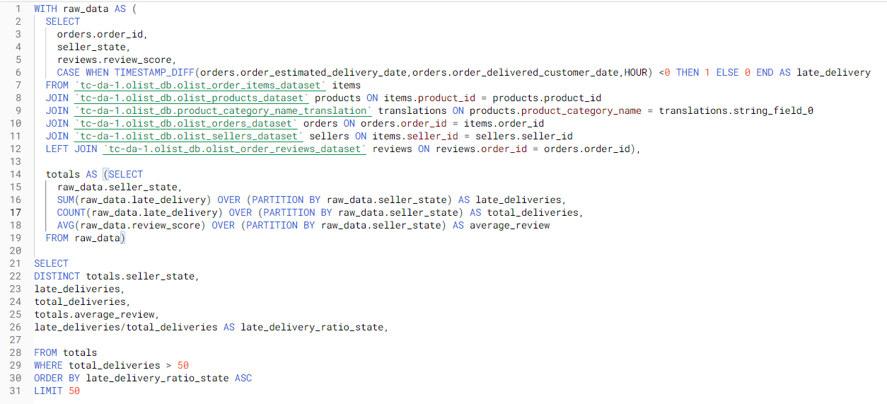 |  |  |  |  |  | indaiatuba | 35 | 287 | 4.080 | 12.20% | 0.41% | 0.0321%
 |  |  |  |  |  | sao jose dos campos | 95 | 784 | 3.850 | 12.12% | 1.11% | 0.0872%
 |  |  |  |  |  | amparo | 11 | 91 | 3.989 | 12.09% | 0.13% | 0.0101%
 |  |  |  |  |  | jales | 12 | 101 | 3.950 | 11.88% | 0.14% | 0.0110%
 |  |  |  |  |  | teixeira soares | 9 | 77 | 3.526 | 11.69% | 0.11% | 0.0083%
 |  |  |  |  |  | uberlandia | 47 | 407 | 4.008 | 11.55% | 0.55% | 0.0431%
 |  |  |  |  |  | sao caetano do sul | 18 | 156 | 4.110 | 11.54% | 0.21% | 0.0165%
 |  |  |  |  |  | limeira | 95 | 829 | 4.188 | 11.46% | 1.11% | 0.0872%
 |  |  |  |  |  | votorantim | 30 | 262 | 4.046 | 11.45% | 0.35% | 0.0275%
 |  |  |  |  |  | guariba | 131 | 1148 | 4.139 | 11.41% | 1.53% | 0.1202%
 |  |  |  |  |  | ponte nova | 11 | 98 | 4.173 | 11.22% | 0.13% | 0.0101%
 |  |  |  |  |  | americana | 12 | 107 | 4.453 | 11.21% | 0.14% | 0.0110%
 |  |  |  |  |  | guara | 27 | 243 | 4.025 | 11.11% | 0.32% | 0.0248%
 |  |  |  |  |  | bombinhas | 10 | 92 | 3.946 | 10.87% | 0.12% | 0.0092%
 |  |  |  |  |  | congonhal | 11 | 102 | 3.157 | 10.78% | 0.13% | 0.0101%
 |  |  |  |  |  | votuporanga | 14 | 130 | 3.876 | 10.77% | 0.16% | 0.0128%
 |  |  |  |  |  | queimados | 7 | 65 | 4.156 | 10.77% | 0.08% | 0.0064%
 |  |  |  |  |  | sao roque | 10 | 94 | 4.106 | 10.64% | 0.12% | 0.0092%
 |  |  |  |  |  | taubate | 7 | 66 | 4.394 | 10.61% | 0.08% | 0.0064%
 |  |  |  |  |  | suzano | 9 | 86 | 4.023 | 10.47% | 0.11% | 0.0083%
 |  |  |  |  |  | atibaia | 63 | 603 | 4.112 | 10.45% | 0.74% | 0.0578%
 |  |  |  |  |  | tatui | 6 | 58 | 4.491 | 10.34% | 0.07% | 0.0055%
 |  |  |  |  |  | jacarei | 93 | 908 | 3.894 | 10.24% | 1.09% | 0.0854%
 |  |  |  |  |  | ibitinga | 769 | 7703 | 3.827 | 9.98% | 9.00% | 0.7058%
 |  |  |  |  |  | sao goncalo | 37 | 374 | 4.048 | 9.89% | 0.43% | 0.0340%
 |  |  |  |  |  | guaruja | 6 | 61 | 3.984 | 9.84% | 0.07% | 0.0055%
 |  |  |  |  |  | sumare | 59 | 600 | 4.376 | 9.83% | 0.69% | 0.0542%
 |  |  |  |  |  | sao carlos | 15 | 153 | 4.118 | 9.80% | 0.18% | 0.0138%
 |  |  |  |  |  | osasco | 56 | 574 | 4.080 | 9.76% | 0.66% | 0.0514%
 |  |  |  |  |  | salvador | 11 | 113 | 4.204 | 9.73% | 0.13% | 0.0101%
 |  |  |  |  |  | dracena | 23 | 239 | 4.093 | 9.62% | 0.27% | 0.0211%
 |  |  |  |  |  | braganca paulista | 9 | 94 | 4.118 | 9.57% | 0.11% | 0.0083%
 |  |  |  |  |  | petropolis | 76 | 801 | 4.230 | 9.49% | 0.89% | 0.0698%
 |  |  |  |  |  | Best % of late deliveries over 50 purchases

 |  |  |  |  |  | Seller City | Late deliveries | Deliveries | Average review | % late deliveries in category | % of all late deliveries | % late deliveries / total deliveries
 |  |  |  |  |  | icara | 0 | 57 | 3.9821428571 | 0.00% | 0 | 0
 |  |  |  |  |  | cornelio procopio | 0 | 60 | 4.5 | 0.00% | 0 | 0
 |  |  |  |  |  | navegantes | 1 | 132 | 4.4393939394 | 0.76% | 0.000117000117 | 9.18E-06
 |  |  |  |  |  | tres rios | 1 | 110 | 3.9444444444 | 0.91% | 0.000117000117 | 9.18E-06
 |  |  |  |  |  | aparecida de goiania | 1 | 78 | 4.4358974359 | 1.28% | 0.000117000117 | 9.18E-06
 |  |  |  |  |  | formiga | 2 | 153 | 4.4379084967 | 1.31% | 0.000234000234 | 1.84E-05
 |  |  |  |  |  | bertioga | 1 | 71 | 4.1126760563 | 1.41% | 0.000117000117 | 9.18E-06
 |  |  |  |  |  | sete lagoas | 4 | 271 | 4.3632958801 | 1.48% | 0.000468000468 | 3.67E-05
 |  |  |  |  |  | carazinho | 1 | 55 | 4.2363636364 | 1.82% | 0.000117000117 | 9.18E-06
 |  |  |  |  |  | poa | 3 | 163 | 4.2654320988 | 1.84% | 0.000351000351 | 2.75E-05
 |  |  |  |  |  | mage | 1 | 54 | 4.7407407407 | 1.85% | 0.000117000117 | 9.18E-06
 |  |  |  |  |  | campo mourao | 1 | 54 | 4.5740740741 | 1.85% | 0.000117000117 | 9.18E-06
 |  |  |  |  |  | canoas | 3 | 157 | 4.5064102564 | 1.91% | 0.000351000351 | 2.75E-05
 |  |  |  |  |  | taboao da serra | 1 | 52 | 4.4615384615 | 1.92% | 0.000117000117 | 9.18E-06
 |  |  |  |  |  | betim | 6 | 303 | 4.1254125413 | 1.98% | 0.000702000702 | 5.51E-05
 |  |  |  |  |  | blumenau | 10 | 482 | 4.1899791232 | 2.07% | 0.00117000117 | 9.18E-05
 |  |  |  |  |  | novo hamburgo | 3 | 142 | 4.309352518 | 2.11% | 0.000351000351 | 2.75E-05
 |  |  |  |  |  | montenegro | 3 | 140 | 4.5107913669 | 2.14% | 0.000351000351 | 2.75E-05
 |  |  |  |  |  | colombo | 3 | 139 | 4.2971014493 | 2.16% | 0.000351000351 | 2.75E-05
 |  |  |  |  |  | borda da mata | 13 | 498 | 4.1227364185 | 2.61% | 0.001521001521 | 0.00011931640876
 |  |  |  |  |  | timbo | 3 | 112 | 4 | 2.68% | 0.000351000351 | 2.75E-05
 |  |  |  |  |  | fazenda rio grande | 2 | 70 | 4.2898550725 | 2.86% | 0.000234000234 | 1.84E-05
 |  |  |  |  |  | francisco beltrao | 2 | 67 | 4.2727272727 | 2.99% | 0.000234000234 | 1.84E-05
 |  |  |  |  |  | patos de minas | 5 | 166 | 4.4666666667 | 3.01% | 0.000585000585 | 4.59E-05
 |  |  |  |  |  | birigui | 4 | 130 | 4.4341085271 | 3.08% | 0.000468000468 | 3.67E-05
 |  |  |  |  |  | lajeado | 2 | 64 | 4.078125 | 3.13% | 0.000234000234 | 1.84E-05
 |  |  |  |  |  | echapora | 2 | 61 | 4.1639344262 | 3.28% | 0.000234000234 | 1.84E-05
 |  |  |  |  |  | sao jose dos pinhais | 5 | 150 | 4.2123287671 | 3.33% | 0.000585000585 | 4.59E-05
 |  |  |  |  |  | maua | 16 | 463 | 4.2705627706 | 3.46% | 0.001872001872 | 0.00014685096463
 |  |  |  |  |  | jaboticabal | 5 | 138 | 4.2941176471 | 3.62% | 0.000585000585 | 4.59E-05
 |  |  |  |  |  | sinop | 2 | 55 | 4.3636363636 | 3.64% | 0.000234000234 | 1.84E-05
 |  |  |  |  |  | viamao | 3 | 82 | 4.3209876543 | 3.66% | 0.000351000351 | 2.75E-05
 |  |  |  |  |  | sarandi | 7 | 191 | 3.9371727749 | 3.66% | 0.000819000819 | 6.42E-05
 |  |  |  |  |  | scao jose do rio pardo | 2 | 54 | 4.2592592593 | 3.70% | 0.000234000234 | 1.84E-05
 |  |  |  |  |  | pinhais | 6 | 158 | 4.2929936306 | 3.80% | 0.000702000702 | 5.51E-05
 |  |  |  |  |  | rio do sul | 8 | 209 | 4.0528846154 | 3.83% | 0.000936000936 | 7.34E-05
 |  |  |  |  |  | mirandopolis | 3 | 77 | 3.8961038961 | 3.90% | 0.000351000351 | 2.75E-05
 |  |  |  |  |  | santa rita do sapucai | 4 | 102 | 4.3039215686 | 3.92% | 0.000468000468 | 3.67E-05
 |  |  |  |  |  | canoinhas | 6 | 152 | 4.2913907285 | 3.95% | 0.000702000702 | 5.51E-05
 |  |  |  |  |  | lauro de freitas | 16 | 401 | 4.1203007519 | 3.99% | 0.001872001872 | 0.00014685096463
 |  |  |  |  |  | registro | 3 | 74 | 4.5 | 4.05% | 0.000351000351 | 2.75E-05
 |  |  |  |  |  | juiz de fora | 5 | 122 | 4.0491803279 | 4.10% | 0.000585000585 | 4.59E-05
 |  |  |  |  |  | itajai | 11 | 254 | 4.2411067194 | 4.33% | 0.001287001287 | 1.01E-04
 |  |  |  |  |  | jau | 19 | 437 | 4.1353211009 | 4.35% | 0.002223002223 | 0.00017438552049
 |  |  |  |  |  | nova friburgo | 4 | 90 | 3.9333333333 | 4.44% | 0.000468000468 | 3.67E-05
 |  |  |  |  |  | cachoeirinha | 3 | 67 | 4.223880597 | 4.48% | 0.000351000351 | 2.75E-05
 |  |  |  |  |  | recife | 18 | 399 | 4.1158690176 | 4.51% | 0.002106002106 | 1.65E-04
 |  |  |  |  |  | jussara | 4 | 86 | 3.9418604651 | 4.65% | 0.000468000468 | 3.67E-05
 |  |  |  |  |  | umuarama | 9 | 192 | 4.203125 | 4.69% | 0.001053001053 | 8.26E-05
 |  |  |  |  |  | fernandopolis | 5 | 106 | 4.2352941176 | 4.72% | 0.000585000585 | 4.59E-05
 |  |  |  |  | 